Classic
Classic Experiences | Main Folders | Sub Folders Level 1 | Sub Folders Level 2 | Sub Folders Level 3 | TAGS: Asset must be tagged with all of these: | TAGS: Asset must be tagged with one of these: | TAGS: Asset must be tagged with none of these:
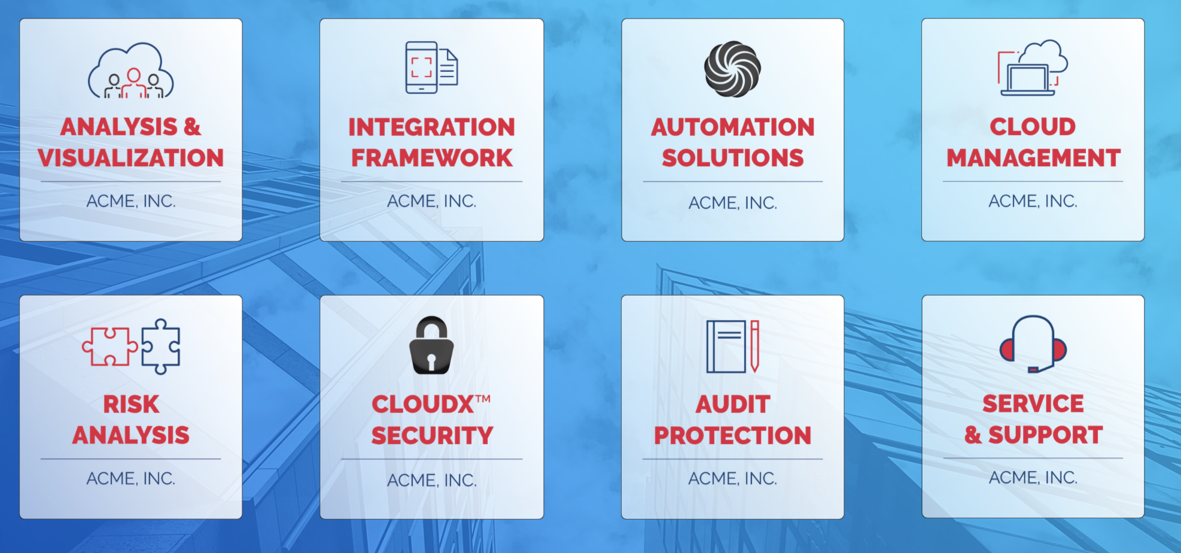
 | Analysis & Visualization
 |  | Pitch Decks | Assets |  | Analysis & Visualization, Pitch Deck
 |  | Case Studies | Assets |  | Analysis & Visualization, Case Study

 |  | Product Brochures | Product A | Assets | Analysis & Visualization, Brochure, Product A
 |  |  | Product B | Assets | Analysis & Visualization, Brochure, Product B
 | Integration Framework
 |  | Price Sheets | Assets |  | Integration Framework, Price Sheet
 |  | Help Videos | Assets |  | Integration Framework, Help Video
 | Automation Solutions
Benefits: |  | Website URL |  |  | Automation Solutions
Hierarchical folder structure, instantly familiar to all users | Cloud Management
Includes Folders, Links and metadata-driven Smart Folders |  | Price Sheets | Assets |  | Cloud Management, Price Sheet
Best used for: |  | Case Studies | Assets |  | Cloud Management, Case Study
Reference Content; A general solution to organize any/all content
Notes:
A Classic Experience utilizes a folder structure to organize and distribute your content
Possible folder contents:
Single assets (most common), Pages, URLs, Folders (note: smart folders cannot contain subfolders)
More on Classic Experiences here | More on smart folders here

Classic Experiences Template

Design Example | Main Folders | Sub Folders Level 1 | Sub Folders Level 2 | Sub Folders Level 3 | TAGS: Asset must be tagged with all of these: | TAGS: Asset must be tagged with one of these: | TAGS: Asset must be tagged with none of these:
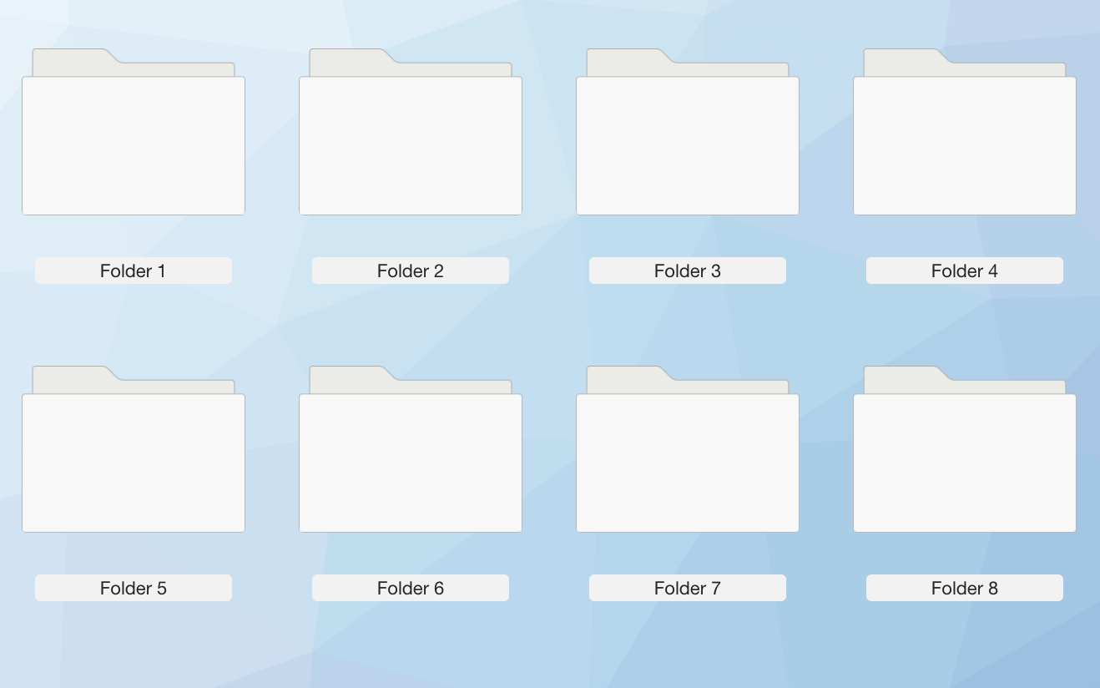
 | Main Folder 1
 |  | Subfolder 1 | Assets |  | Tag 1
 |  | Subfolder 2 | Assets |  | Tag 1 | Tag 3 or Tag 4
 |  | Subfolder 3 | Assets |  | Tag 1 & Tag 2 | Tag 4 or Tag 5 | Tag 6
 | Main Folder 2
 |  | Subfolder 1 | Assets
 |  | Subfolder 2 | Assets

 | Main Folder 3
 |  | Subfolder 1 | Assets
 |  | Subfolder 2 | Assets
 | Main Folder 4
 |  | Subfolder 1 | Assets
Notes: |  | Subfolder 2 | Assets
This image shows 8 folders at the first level
You are not confined to this number and can have more or fewer options on each level

Atom
Atom Experiences | What are the options that you first see? | Next level: More options OR an asset | More options OR an asset | More options OR an asset | Description of Contents
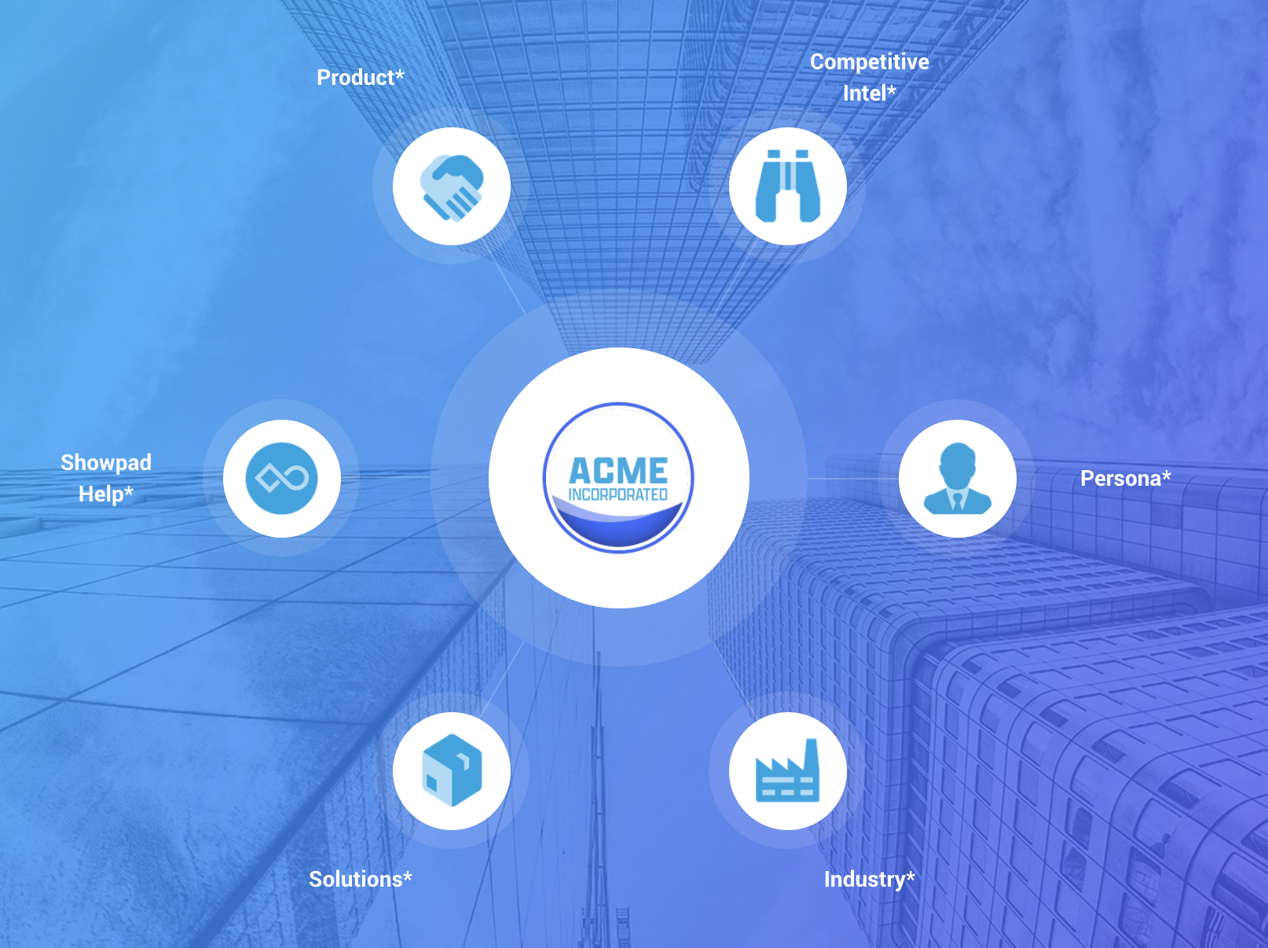
 |  |  | Brochures | Showpad Page | Pricing, Images, Testimonials
 |  | Product A
 |  |  | Competitive Intel | Link to another node | Land on Competitive Intel node
 | Product

 |  | Product B | Showpad Page |  | Pricing, Images, Testimonials

 |  | Competitor A | PDF |  | Intel PDF
 | Competitive Intel
 |  | Competitor B | Showpad Page |  | Links to case studies, resources, etc.

 |  | Marketing | Showpad Page |  | Links to case studies, resources, etc.

 | Persona | Sales | Showpad Page |  | Links to case studies, resources, etc.

 |  | Operations | Showpad Page |  | Links to case studies, resources, etc.
Benefits:
Transform a static folder structure into a non-linear, interactive tool
Contextualize complicated concepts or conversations with visual elements | Showpad Help | Help Center URL |  |  | Link to Help Center
Best used for:
Guided Selling
Non-linear conversations
Notes:
An Atom is an immersive, easy-to-build Advanced Experience
Possible endpoints for an Atom:
Pages, single assets, URLs, another node
Resource: Learn more about Atoms here

Atom Experiences Template

Design Example | What are the options that you first see? | Next level: More options OR an asset | More options OR an asset | More options OR an asset | Description of Contents
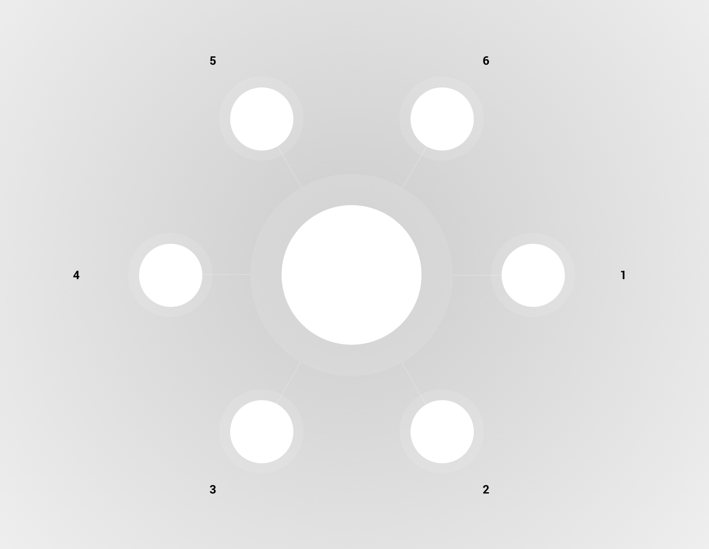

 | Option 1
 |  | Subfolder 1 | Asset
 |  | Subfolder 2 | Asset
 |  | Subfolder 3 | Subfolder 1 | Asset
 |  |  | Subfolder 2 | Asset
 | Option 2
 |  | Subfolder 1 | Asset
 |  | Subfolder 2 | Asset

 | Option 3
 |  | Asset
 | Option 4
 |  | Subfolder 1 | Asset
 |  | Subfolder 2 | Asset

Notes:
This image shows 6 options at the first level
You are not confined to this number and can have more or fewer options on each level

Mapper
Mapper Experiences | Click Zones on the first image | Another image with click zones OR an asset | Another image with click zones OR an asset | Another image with click zones OR an asset | Description of Contents
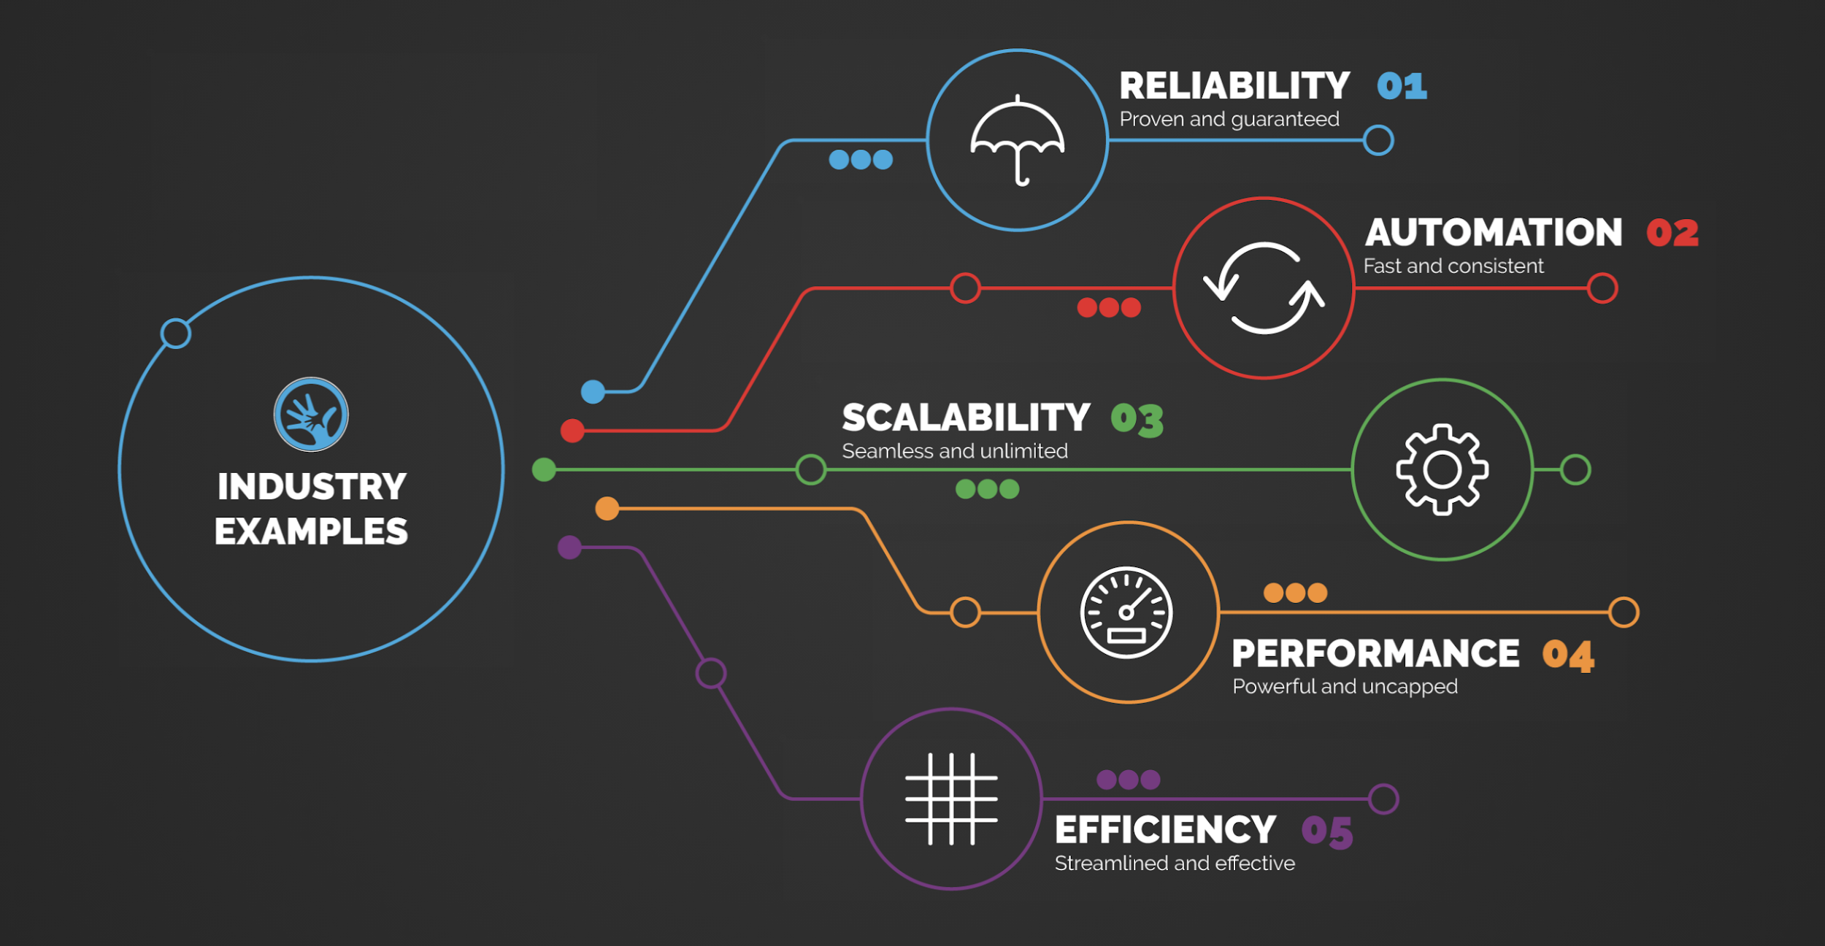
 |  |  | Brochures | Showpad Page | Pricing, Images, Testimonials
 |  | Competitor A
 |  |  | Case Studies | Link to another node | Land on Reliability > Case Studies node
 | Industry Examples

 |  | Competitor B | PDF |  | Pricing for Product B

 |  | Case Studies | Showpad Page
 | Reliability
 |  | Case | PDF

 |  | Marketing | Showpad Page

Benefits: | Automation | Sales | Showpad Page |  | Links to case studies, resources, etc.
Present your products and services on a visual map
Highlight your products & key features in an environment your buyer recognizes |  | Operations | Showpad Page |  | Links to case studies, resources, etc.
Best used for:
Demonstrating value; Highlighting features and benefits; Solution selling & non-linear conversations | Scalability | Website URL |  |  | Links to case studies, resources, etc.
Notes:
A Mapper utilizes an existing image which you upload and manually add Click Zones to
Click Zone then leads to another mapper image, an asset, a page or a URL
Possible endpoints for an Atom:
Pages, single assets, URLs, another image map
Resource: Learn more about Mappers here

Mapper Experiences Template

Design Example | Click Zones on the first image | Another image with click zones OR an asset | Another image with click zones OR an asset | Another image with click zones OR an asset | Description of Contents
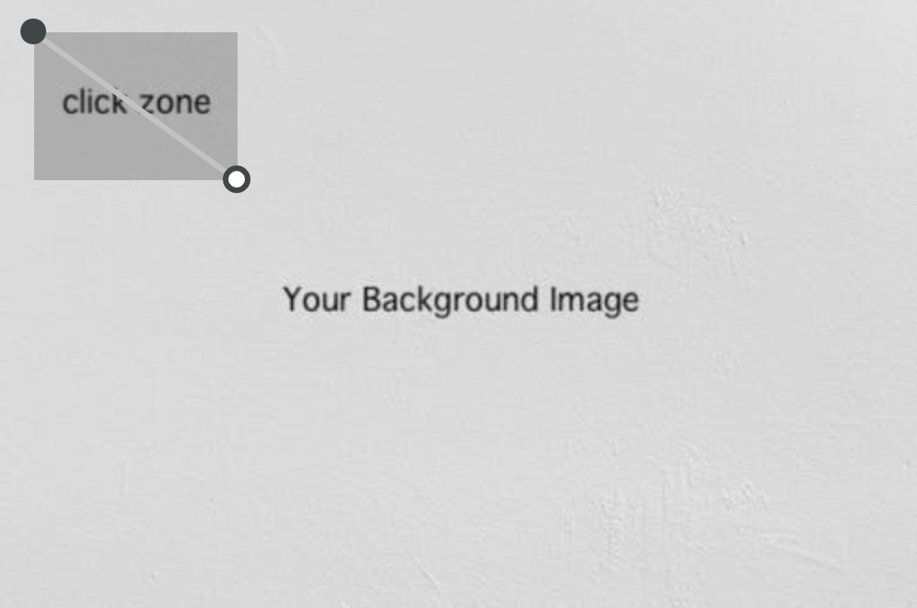
 | Click Zone 1
 |  | Click Zone 1 | Asset
 |  | Click Zone 2 | Asset
 |  | Click Zone 3 | Click Zone 1 | Asset
 |  |  | Click Zone 2 | Asset
 | Click Zone 2
 |  | Click Zone 1 | Asset
 |  | Click Zone 2 | Asset

 | Click Zone 3
 |  | Asset
 | Click Zone 4
 |  | Click Zone 1 | Asset
 |  | Click Zone 2 | Asset

Selector
Selector Experiences | First Level of Filters | Second Level of Filters (if applicable) | Third Level of Filters (if applicable)
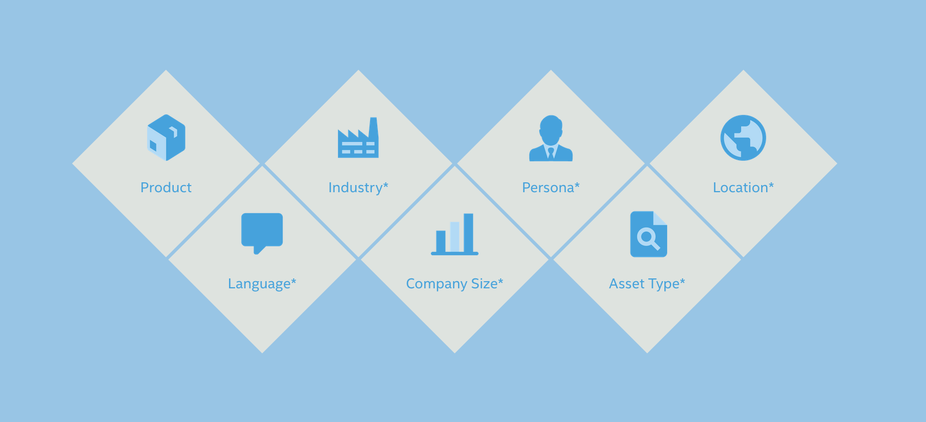
 | Product | Marketing
 |  | Tech
 |  | Consumables

 | Industry | Medical Devices
 |  | Construction
 |  | Manufacturing
 |  | Chemicals

 | Persona | Marketing
 |  | Sales
Benefits:
Quickly filter and select content to present. | Location | US
Automatically tailor your sales conversation on the fly by filtering through content. |  | EMEA
Best used for:
- Criteria-based, real-time filtering
- Navigating diverse product portfolios
Notes:
A Mapper utlilizes an existing image upload which you can then add Click Zones to. A Click Zone then leads to another image or an asset. More on Mappers here.
Selectors can be powerful experiences but are often misused. Consult with your PSC to confirm use case if interested
Functionality can also be mimicked in Classic via list view

Selector Experiences Template


Design Example | First Level of Filters | Second Level of Filters (if applicable) | Third Level of Filters (if applicable)
Example:
 | Filter 1 | Subfilter 1
 |  | Subfilter 2

 | Filter 2 | Subfilter 1
 |  | Subfilter 2

 | Filter 3 | Subfilter 1
 |  | Subfilter 2
 |  | Subfilter 3

 | Filter 4 | Subfilter 1
 |  | Subfilter 2

Custom Homepages
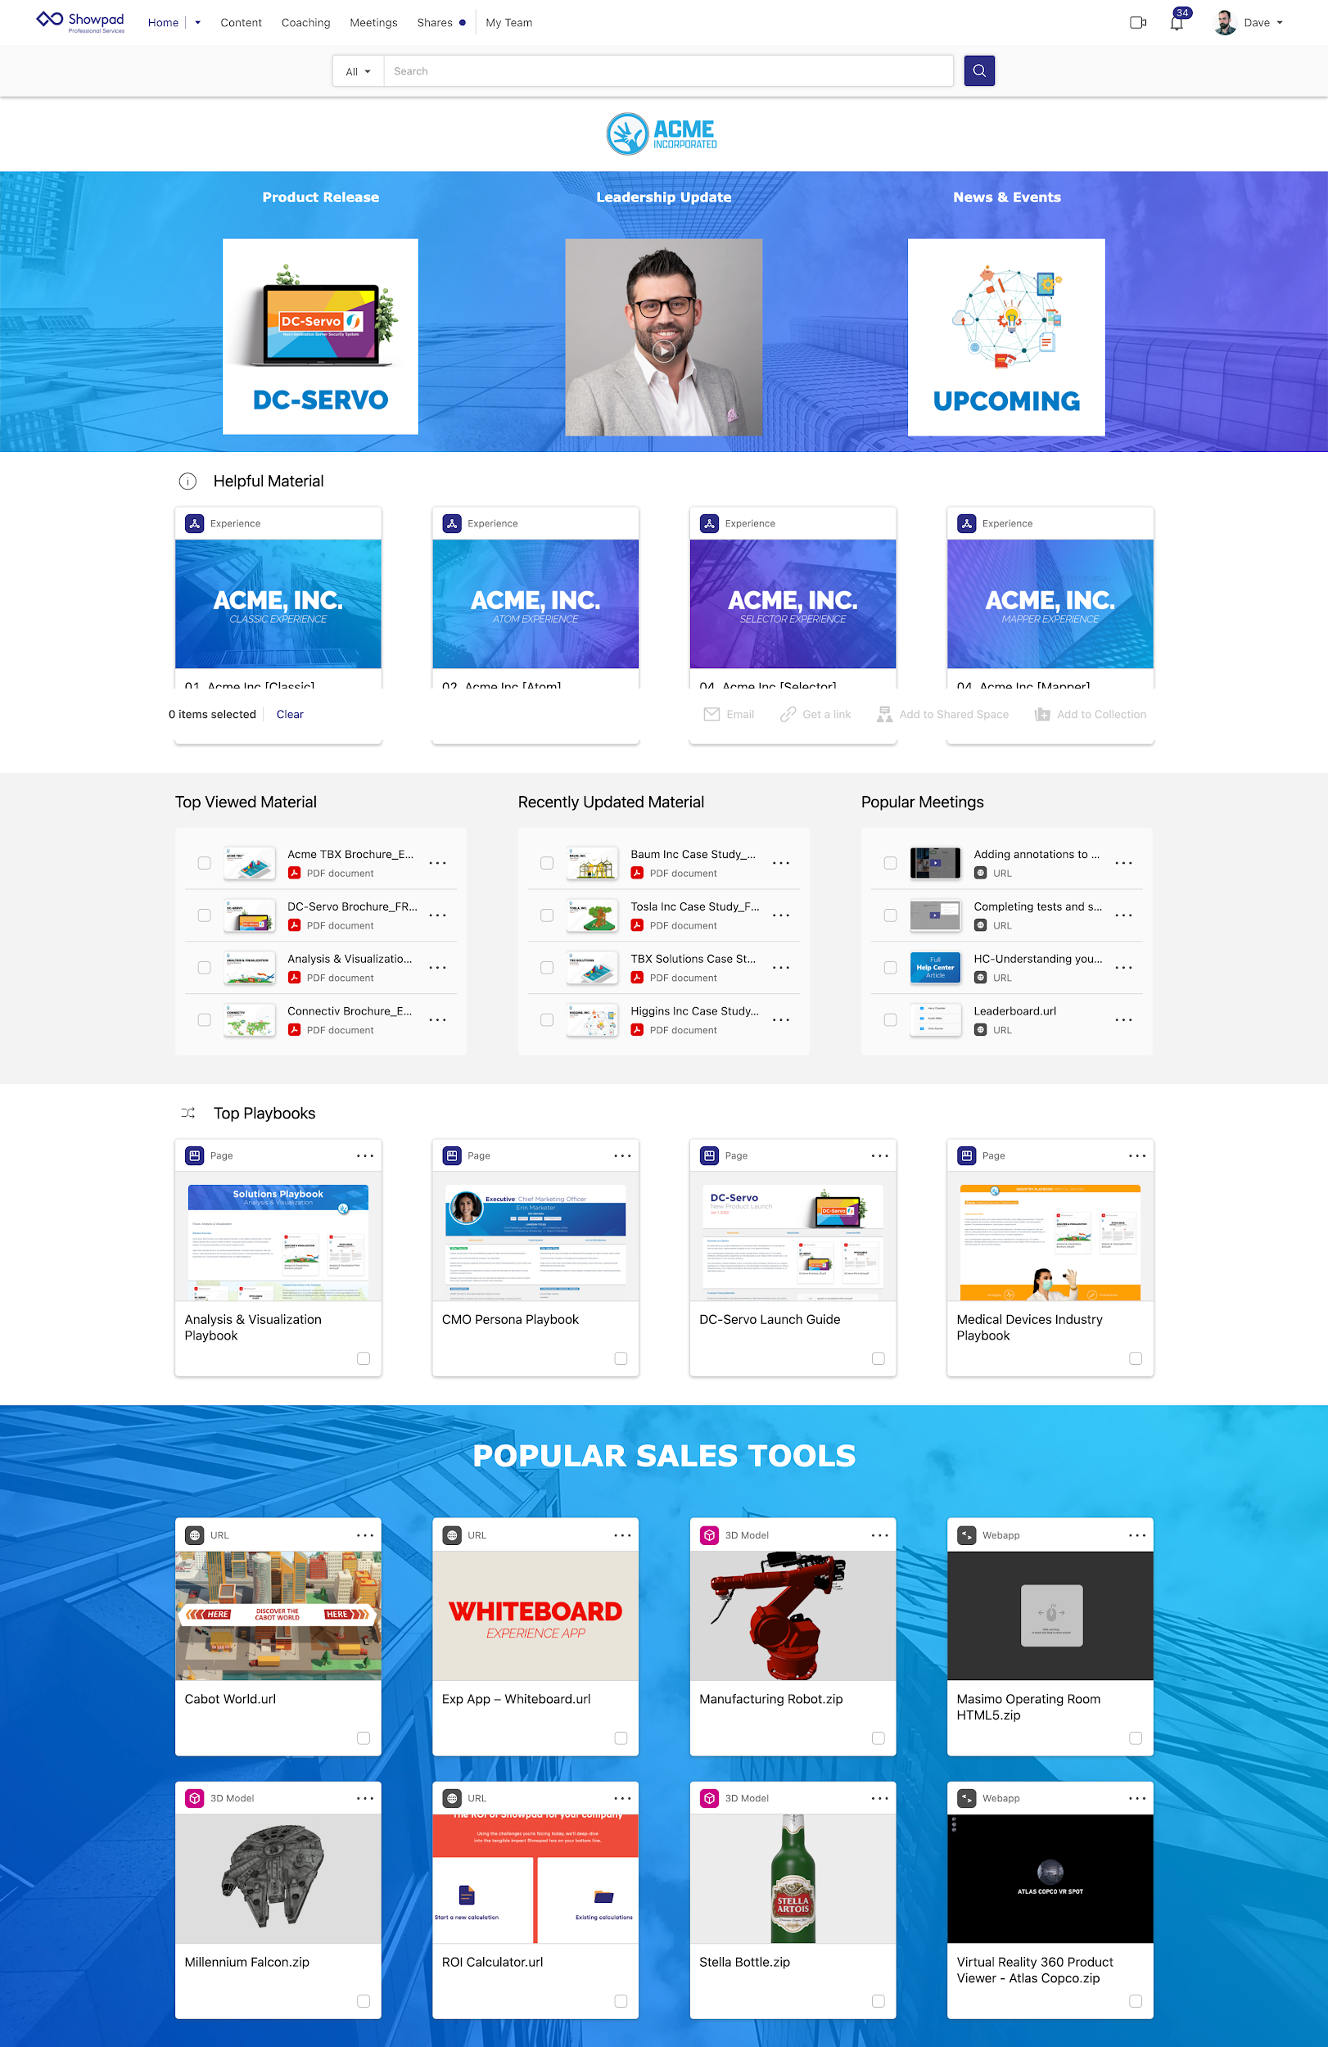
Custom Homepages | Example materials to include
 | Header image
 | Direct links to experiences
 | Spotlights
 | Imagery
 | Email links
 | Training material
 | Most viewed assets
 | Recently updated assets
 | New product launch spotlight
 | Links to external tools / corporate website
 | Videos

Benefits:
Customize the landing page for your end users
Create different homepages for specific user groups
Best used for:
Increase marketing impact by enabling tailored sales communications
Notes:
Custom Homepages are currently only available in the webapp (not supported on iOS, Android, WDA apps)
Custom homepages cannot have spotlights
Possible endpoints for an Custom Homepage:
Pages, single assets, URLs, experiences, videos
Resource: Learn more about Custom Homepages here

Custom Homepages

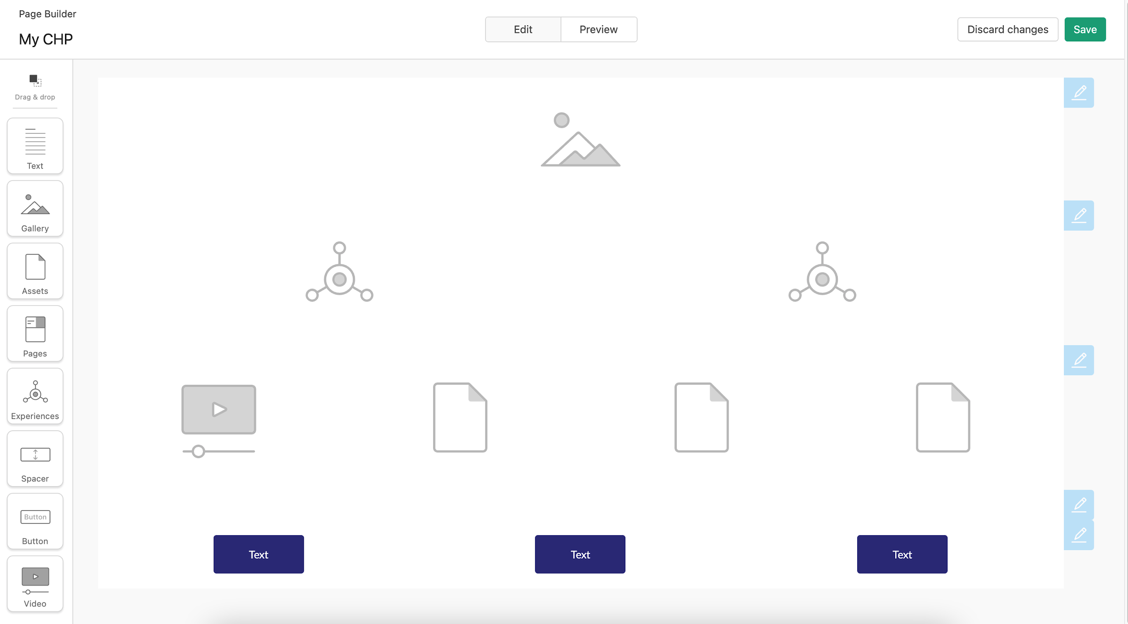
Design Example | Container Type | Description of Contents | Details
 | Gallery
 |  | Header image

 | Experiences
 |  | Direct links to experiences | High value experiences: New products, events (RKO), sales tools

 | Assets
 |  | Most viewed, recently updated

 | Assets
 |  | Training resources, links to training material

 | Video
 |  | Leadership updates, Marketing videos

